SALES BY CITY
Row Labels | Sum of Sales
Bangalore | 209460
Chennai | 204568
Delhi | 180076
Hyderabad | 200730
Kolkata | 203101
Mumbai | 202164
Pune | 230911
SALES BY CITY
Grand Total | 1431010

DAILY ORDER TREND
Row Labels | Sum of Sales
Dairy & Bakery | 194305
Frozen Foods | 214055
Fruits & Vegetables | 211969
Household Items | 198563
Personal Care | 192521
Snacks & Beverages | 183439
Staples | 236158
Grand Total | 1431010

DAILY ORDER TREND

PAYMENT MODE SPLIT
Row Labels | Count of OrderID
Cash on Delivery | 201
Credit Card | 190
Debit Card | 202
UPI | 188
Wallet | 219
Grand Total | 1000

PAYMENT MODE SPLIT

PROFIT BY SUBCATEGORY
Row Labels | Sum of Profit
Bread | ₹ 7,339.25
Butter | ₹ 7,904.90
Cheese | ₹ 5,459.07
Chips | ₹ 8,068.37
Ice Cream | ₹ 11,667.93
Grand Total | ₹ 40,439.52

PROFIT BY SUBCATEGORY

TOP 5 CATEGORY
Row Labels | Sum of Sales
Dairy & Bakery | 194305
Frozen Foods | 214055
Fruits & Vegetables | 211969
Household Items | 198563
Personal Care | 192521
Grand Total | 1011413

TOP 5 CATEGORY

TOP 5 CITIES
Row Labels | Sum of Sales
Bangalore | 209460
Chennai | 204568
Delhi | 180076
Hyderabad | 200730
Kolkata | 203101
Grand Total | 997935

TOP 5 CITIES

DASHBOARD

blinkit
India's Last Minute App

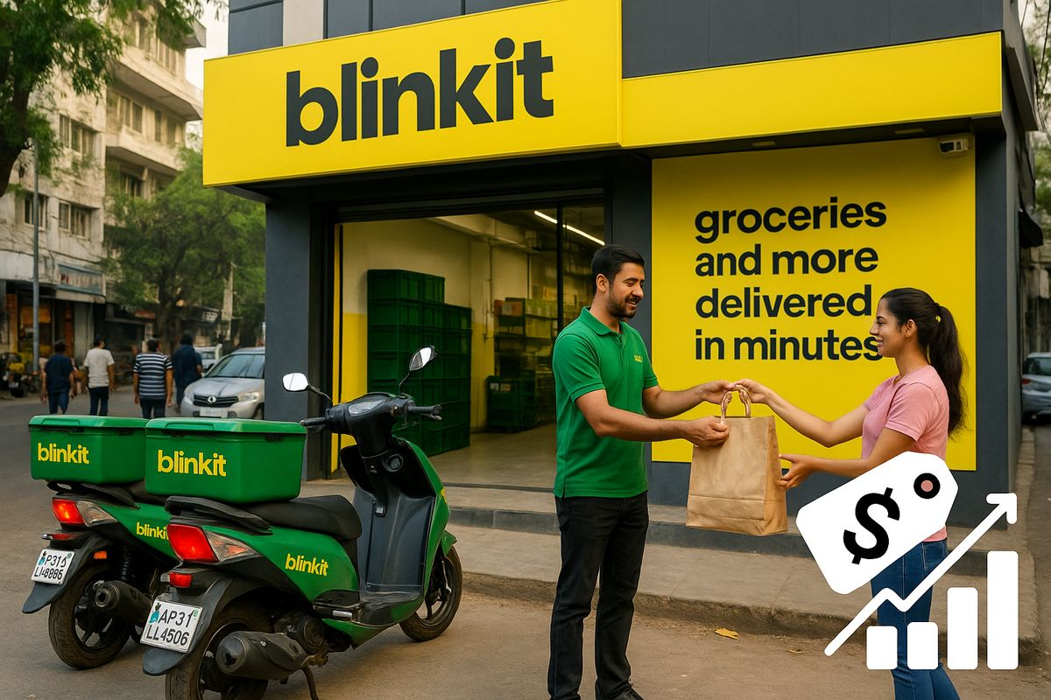
PAYMENT MODE SPLIT
 | Total
Cash on Delivery | 201
Credit Card | 190
Debit Card | 202
UPI | 188
Wallet | 219
SALES BY CITY
 | Total
Bangalore | 209460
Chennai | 204568
Delhi | 180076
Hyderabad | 200730
Kolkata | 203101
Mumbai | 202164
Pune | 230911
TOP 5 CATEGORY
 | Total
Dairy & Bakery | 194305
Frozen Foods | 214055
Fruits & Vegetables | 211969
Household Items | 198563
Personal Care | 192521

PROFIT BY SUBCATEGORY
 | Total
Bread | ₹ 7,339.25
Butter | ₹ 7,904.90
Cheese | ₹ 5,459.07
Chips | ₹ 8,068.37
Ice Cream | ₹ 11,667.93
TOP 5 CITIES
 | Total
Bangalore | 209460
Chennai | 204568
Delhi | 180076
Hyderabad | 200730
Kolkata | 203101
DAILY ORDER TREND
 | Total
Dairy & Bakery | 194305
Frozen Foods | 214055
Fruits & Vegetables | 211969
Household Items | 198563
Personal Care | 192521
Snacks & Beverages | 183439
Staples | 236158

